Variable Data& Analysis
 | Batch 3 data |  |  |  |  |  |  |  |  | Statistical Summary of Variables
 | Dependant Variable | Independent (Predictor) Variables
 |  | Main Effects |  |  | 2 way Interactions |  |  | 3 Way Interaction |  | Variable | Mean | Median | Std Dev | Min | Max
 | ROCE% | LI | D/E | Revenue Growth % | LI*D/E | LI*Revenue Growth % | D/E*Revenue Growth % | LI*D/E*Revenue Growth % |  | ROCE% | 18.07 | 16.64 | 8.56 | 3.58 | 35.27
1 | 11.24663393 | 1.2130772748 | 0.060317460317 | -4.1095890411 | 0.073169740385 | -4.9852490745 | -0.24787997391 | -0.30069756323 |  | LI | 1.16 | 1.16 | 0.39 | 0.54 | 2.34
2 | 19.14556962 | 0.93188073394 | 0.093333333333 | 3.5460992908 | 0.086975535168 | 3.3045416097 | 0.33096926714 | 0.30842388358 |  | D/E | 0.52 | 0.45 | 0.48 | 0 | 1.76
3 | 13.406156902 | 0.95860077022 | 0.10728813559 | 31.775700935 | 0.10284648941 | 30.46021139 | 3.4091557104 | 3.2680192898 |  | Revenue Growth % | 8.02 | 2.87 | 20.05 | -19.89 | 46.81
4 | 7.8947368421 | 1.0172680412 | 0.24616666667 | 52.857142857 | 0.25041748282 | 53.76988218 | 13.011666667 | 13.236352663 |  | LID/E* | 0.47 | 0.32 | 0.34 | 0 | 1.02
5 | 12.012457363 | 1.0717131474 | 0.237 | -11.392405063 | 0.25399601594 | -12.209390287 | -2.7 | -2.893625498 |  | LIRevenue Growth %* | 9.2 | 4.58 | 22.35 | -22.83 | 70.98
6 | 31.845145176 | 0.6033553948 | 1.2234782609 | -3.355704698 | 0.73819220911 | -2.0246825329 | -4.1056317479 | -2.4771550641 |  | D/ERevenue Growth %* | 7.26 | 1.06 | 15.03 | -13.48 | 51.55
7 | 27.416520211 | 0.58510804886 | 1.5463636364 | 15.503875969 | 0.9047898101 | 9.0714426179 | 23.974630021 | 14.027748994 |  | LID/ERevenue** | 6.54 | 1.27 | 12.54 | -15.47 | 37.48
8 | 10.655314757 | 0.61307968648 | 1.7557142857 | 32.989690722 | 1.0763927638 | 20.225309245 | 57.920471281 | 35.509864374
9 | 16.636322258 | 0.66370995522 | 1.5391666667 | 29.333333333 | 1.0215602394 | 19.468825353 | 45.148888889 | 29.965767023 |  | Key Insights
10 | 12.801648028 | 0.54212210077 | 1.2866666667 | -8.5365853659 | 0.69753043633 | -4.627871592 | -10.983739837 | -5.954528115
11 | 23.011844332 | 1.1566049984 | 0.23765957447 | 4.4776119403 | 0.27487825174 | 5.1788283509 | 1.0641473484 | 1.2307981421 |  | ROCE%: Average return on capital employed is 18.07%, with a wide spread (std dev ~8.56). Some firms are highly profitable (max 35.27%), while others are much lower (min 3.58%).
12 | 27.944915254 | 1.4591743119 | 0.20487804878 | -12.987012987 | 0.29895278586 | -18.950315739 | -2.6607538803 | -3.8825037124
13 | 35.267961619 | 1.035219628 | 0.30857142857 | 37.5 | 0.3194391995 | 38.820736051 | 11.571428571 | 11.978969981 |  | Leverage Index (LI): Centered around 1.16, but ranges from 0.54 to 2.34, showing significant variation in leverage intensity.
14 | 5.4319024907 | 1.2625666413 | 0.68148148148 | 7.6923076923 | 0.86041578517 | 9.7120510868 | 5.2421652422 | 6.6185829628
15 | 17.844522968 | 1.3323104693 | 0.17392857143 | 4 | 0.23172685663 | 5.3292418773 | 0.69571428571 | 0.92690742651 |  | Debt-to-Equity (D/E): Mean of 0.52, but highly skewed—some firms have almost no debt (0), while others are heavily leveraged (up to 1.76).
16 | 7.4090196761 | 1.4460285132 | 0.023956521739 | -10.358565737 | 0.034641813513 | -14.978781412 | -0.24815520527 | -0.35883950252
17 | 12.352967091 | 1.5953901694 | 0.026167400881 | 2.868852459 | 0.041747214124 | 4.5769390106 | 0.075070412364 | 0.1197665979 |  | Revenue Growth %: Very volatile, with both negative growth (-19.89%) and high expansion (46.81%). The large standard deviation (20.05) highlights instability.
18 | 10.575787634 | 1.5394502418 | 0.029858490566 | 46.107784431 | 0.045965660521 | 70.980639891 | 1.3767088465 | 2.1193747666
19 | 3.5793750605 | 1.8906823184 | 0 | -1.7647058824 | 0 | -3.336498209 | 0 | 0 |  | Interaction Terms (LID/E, LIRevenue Growth %, etc.)*: These show amplified volatility. For example, LIRevenue Growth % swings from -22.83 to 70.98, suggesting leverage magnifies growth outcomes.
20 | 10.680745215 | 2.3532586965 | 0 | -9.0909090909 | 0 | -21.393260877 | 0 | 0
21 | 28.760102503 | 1.0732492621 | 0.45014184397 | 17.131474104 | 0.4831144019 | 18.386341941 | 7.7115933429 | 8.2764618652 |  | Interpretation
22 | 28.236258007 | 1.2011117729 | 0.52139344262 | 2.0325203252 | 0.62625180224 | 2.4412840912 | 1.0597427696 | 1.2728695167
23 | 32.425322471 | 1.1989444699 | 0.57273584906 | 18.84057971 | 0.68667847896 | 22.588808854 | 10.790675417 | 12.937420618 |  | Companies with high leverage (D/E > 1) tend to show extreme swings in revenue growth interactions, both positive and negative.
24 | 29.704364148 | 1.1623726783 | 0.69434782609 | 46.808510638 | 0.80709094225 | 54.408933876 | 32.501387604 | 37.778724956
25 | 22.381432896 | 1.1479198767 | 0.678 | -19.886363636 | 0.77828967643 | -22.827952094 | -13.482954545 | -15.47735152 |  | Firms with moderate leverage (D/E ~0.5) and stable LI (~1.1–1.2) cluster around more predictable outcomes.

 |  |  |  |  |  |  |  |  |  | The dataset suggests a risk-return tradeoff: higher leverage can boost growth but also increases downside volatility.

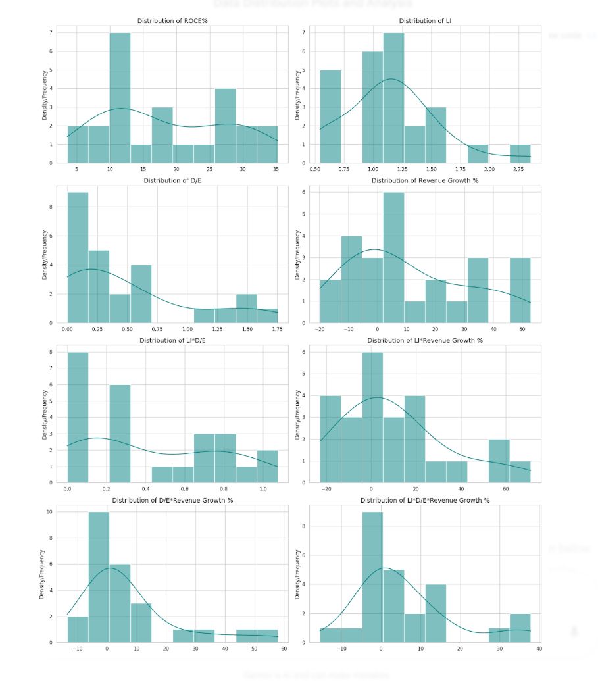

 |  |  |  |  |  |  |  |  |  |  |  |  | Summary of Primary Variables

 |  |  |  |  |  |  |  |  |  |  |  |  | Variable | Distribution Shape | Business Insight
 |  |  |  |  |  |  |  |  |  |  |  |  | ROCE% | Bimodal / Broad | Profitability is inconsistent across the sample. The two "humps" suggest a split between high-performers (30%+) and struggling firms (<15%), possibly due to varying operational efficiencies.
 |  |  |  |  |  |  |  |  |  |  |  |  | LI (Liquidity Index) | Right-Skewed / High Peak | Most firms maintain a tight liquidity range (1.0 to 1.5). The sharp peak indicates a standardized industry approach to working capital, with very few firms holding excessive cash.
 |  |  |  |  |  |  |  |  |  |  |  |  | D/E (Debt to Equity) | Heavily Right-Skewed | The "Long Tail" shows that while most mid-cap firms are conservative with debt (near 0), a few are aggressively leveraged (1.5+). This creates high financial risk for that small subset.
 |  |  |  |  |  |  |  |  |  |  |  |  | Revenue Growth % | Wide / High Variance | High volatility in sales. The distribution covers everything from -20% to +50%, suggesting the sector is highly sensitive to external market cycles or specific client contract wins.

 |  |  |  |  |  |  |  |  |  |  |  |  | Summary of Interaction Variables

 |  |  |  |  |  |  |  |  |  |  |  |  | Interaction | Distribution Shape | Business Insight
 |  |  |  |  |  |  |  |  |  |  |  |  | LI * D/E | Skewed Right | Represents "Financial Risk Exposure." Most firms balance debt with liquidity well, but a few outliers are "doubling down" on risk by having high levels of both.
 |  |  |  |  |  |  |  |  |  |  |  |  | LI * Rev Growth % | Wide & Multi-modal | "Liquidity-Backed Growth." Shows that liquidity acts as a magnifier; when revenue grows, these firms have the cash to support it, but when it drops, the liquidity buffer is tested.
 |  |  |  |  |  |  |  |  |  |  |  |  | D/E * Rev Growth % | Leptokurtic (Sharp Peak at 0) | "Leveraged Growth." Since many firms have zero debt, this interaction is irrelevant for them. For the few where it isn't zero, it indicates high-stakes expansion strategies.
 |  |  |  |  |  |  |  |  |  |  |  |  | 3-Level Interaction | Extremely Spiky at 0 | "The Efficiency Frontier/Crisis Point." This identifies the rare cases where high debt, high liquidity, and high growth collide—representing either a massive expansion phase or a looming financial crunch.

 |  |  |  |  |  |  |  |  | This visual is a 3-Way Interaction Map designed to explain how three distinct financial levers—Leverage (LI), Debt-to-Equity (D/E), and Revenue Growth—collide to impact a company's ROCE (Return on Capital Employed).

 |  |  |  |  |  |  |  |  | In the context of our batch 3 data on Indian auto-component manufacturers, here is the step-by-step interpretation of what this diagram is telling us:
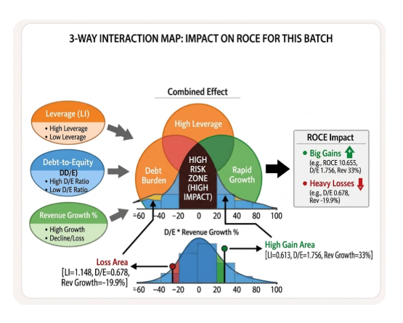
 |  |  |  |  |  |  |  |  | 1. The Three Spheres (The Inputs)

 |  |  |  |  |  |  |  |  | The diagram starts on the left with three "gears" or spheres. Tthese represent the independent variables:

 |  |  |  |  |  |  |  |  | Leverage (LI): How efficiently the company uses its assets.

 |  |  |  |  |  |  |  |  | Debt-to-Equity (D/E): The financial structure (how much "borrowed" vs. "owned" money is used).

 |  |  |  |  |  |  |  |  | Revenue Growth %: The market demand and sales performance.

 |  |  |  |  |  |  |  |  | 2. The Venn Diagram (The Interaction Zone)

 |  |  |  |  |  |  |  |  | The center of the image shows where these variables overlap. This is the Interaction Effect:

 |  |  |  |  |  |  |  |  | The "High Risk Zone" (Dark Center): This is the "eye of the storm." When a company has high debt (D/E), high asset leverage (LI), and rapid growth all at once, the impact on ROCE becomes non-linear. A small change in sales will lead to a massive swing in profitability.

 |  |  |  |  |  |  |  |  | Overlaps (e.g., Debt Burden & Rapid Growth): This shows that growth isn't always "clean." If growth is funded entirely by debt (the orange/green overlap), the company's ROCE might actually drop because the cost of debt eats up the new profits.

 |  |  |  |  |  |  |  |  | 3. The Bell Curve (The Data Distribution)

 |  |  |  |  |  |  |  |  | The graph at the bottom maps our actual data points (the ones we calculated in the table) onto a probability scale:

 |  |  |  |  |  |  |  |  | The "Loss Area" (Red Point): This reflects cases in our data where Revenue Growth was negative (around -20%). Even if the company has moderate debt, the interaction forces the ROCE downward. In our table, the firm with -19.88% growth and 0.678 D/E falls right in this danger zone.

 |  |  |  |  |  |  |  |  | The "High Gain Area" (Green Point): This represents the "Sweet Spot." This is where high growth (30%+) meets an optimized level of debt. In our data, the firm with 33% growth and 1.75 D/E is the perfect example of this—using leverage to "turbocharge" their returns.

 |  |  |  |  |  |  |  |  | 4. The ROCE Impact (The Result)

 |  |  |  |  |  |  |  |  | The final box on the right acts as the "verdict":

 |  |  |  |  |  |  |  |  | Big Gains: Success happens when the interaction is positive (Growth > Cost of Debt).

 |  |  |  |  |  |  |  |  | Heavy Losses: Failure happens when the interaction "implodes"—usually when a high-debt company faces a sudden decline in revenue.

 |  |  |  |  |  |  |  |  | Business Summary for this batch:

 |  |  |  |  |  |  |  |  | This visual proves that ROCE is not driven by one factor alone. A company can't just "grow" its way to success if its debt-to-equity ratio is unmanaged, nor can it just "cut debt" if its revenue is shrinking. The highest performing mid-cap auto firms in our batch are the ones that successfully balanced all three circles to stay in the Green Gain Area without falling into the Dark Risk Zone.

